Prog1
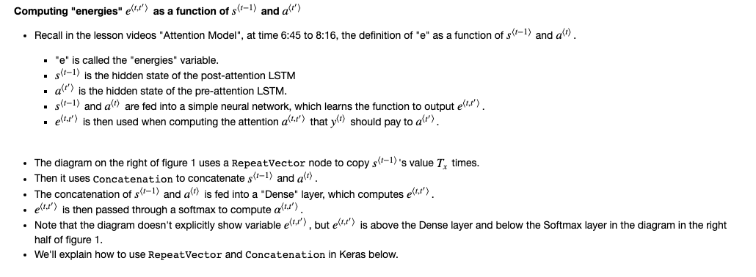
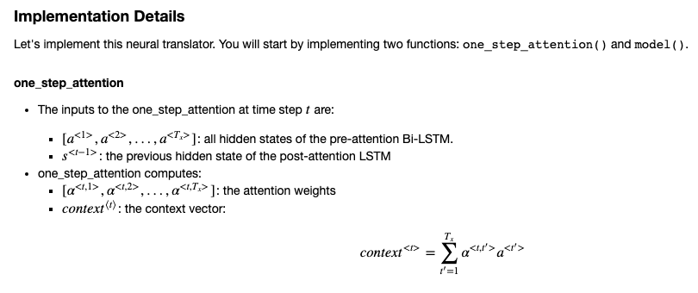
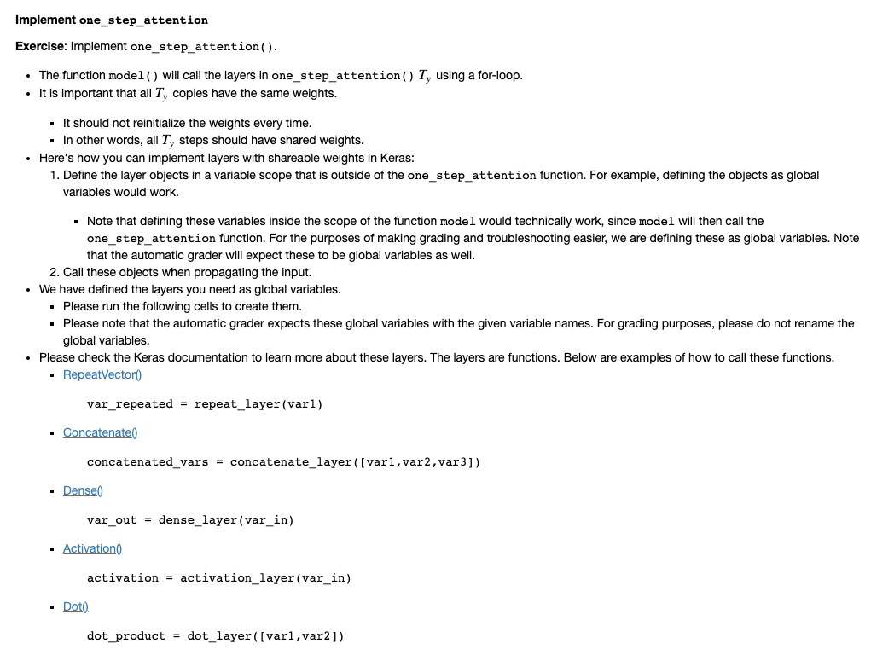
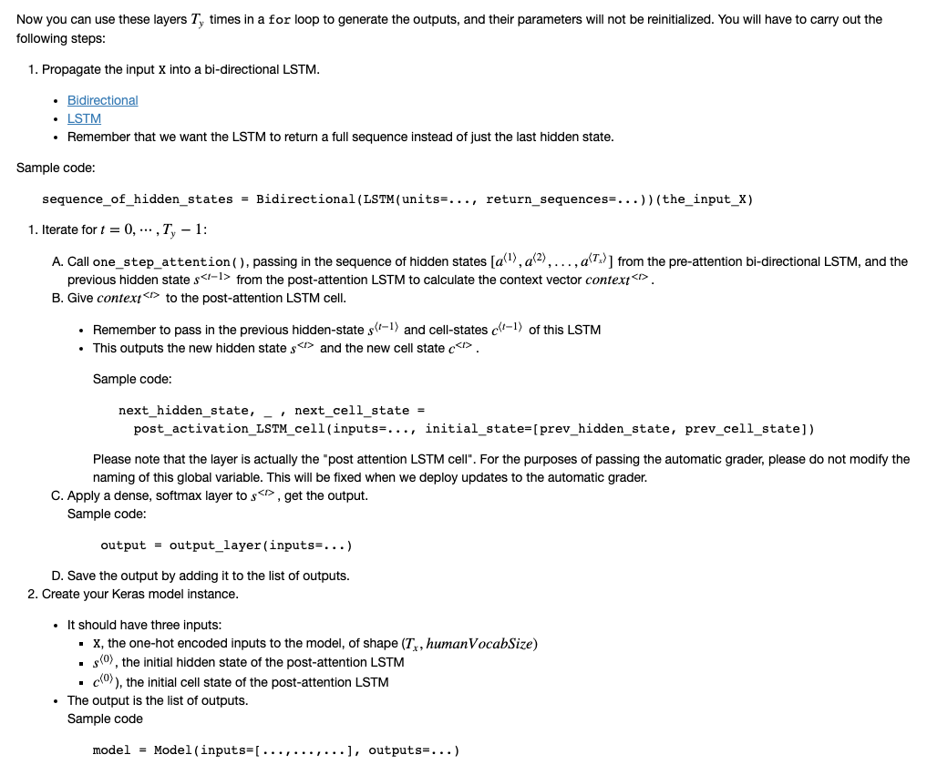
human_vocab: a python dictionary mapping all characters used in the human readable dates to an integer-valued index.
machine_vocab: a python dictionary mapping all characters used in machine readable dates to an integer-valued index
 |  | Y
human_vocab | 'thursday january 26 1995' | [30 20 31 28 29 16 13 34 0 22 13 25 31 13 28 34 0 4 0 4 12 11 4 36 36 36 36 36 36 36]
machine_vocab | 1995-01-26' | [ 2 10 9 2 0 1 2 0 1 2] |  | 36 = blank padding

Both vocabs are a mapping of a date to a integer-valued index.

We will set Tx=30 |  |  | Similar to my URL problem with Tx=200
We assume Tx is the maximum length of the human readable date.
If we get a longer input, we would have to truncate it.

We will set Ty=10 |  | ('10.11.19', '2019-11-10')
"YYYY-MM-DD" is 10 characters long.
Output has standard length

The attention mechanism tells a Neural Machine Translation model where it should pay attention to at any step.
The attention variables α⟨t,t′⟩α⟨t,t′⟩ are used to compute the context variable context⟨t⟩context⟨t⟩ for each timestep in the output (t=1,…,Tyt=1,…,Ty).

Prog2
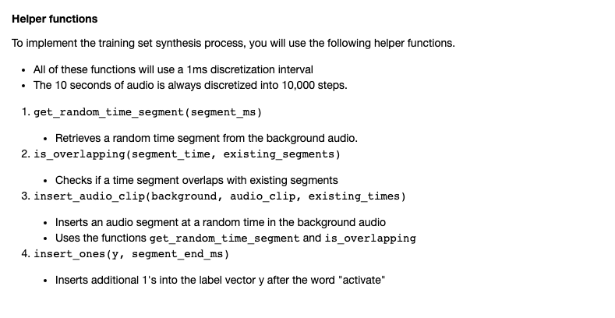

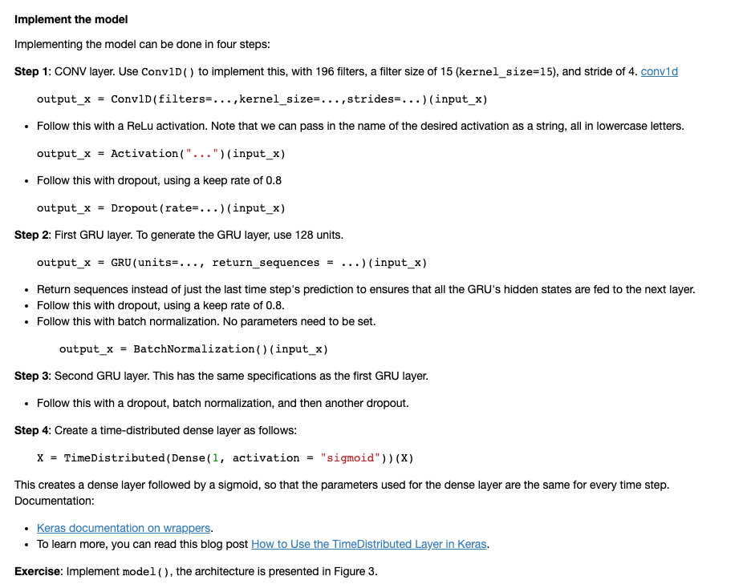

Quiz
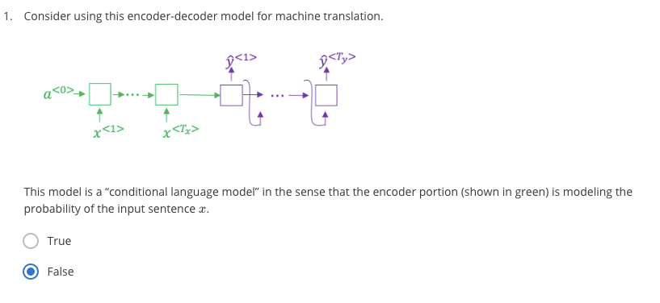

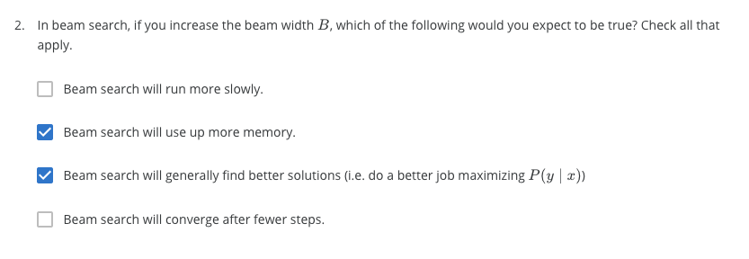

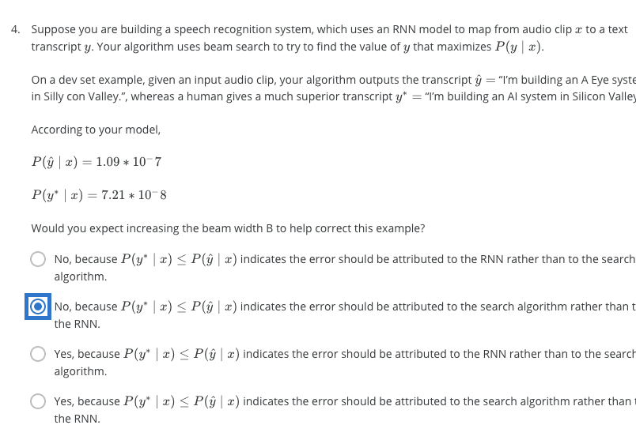

Wrong

Wrong

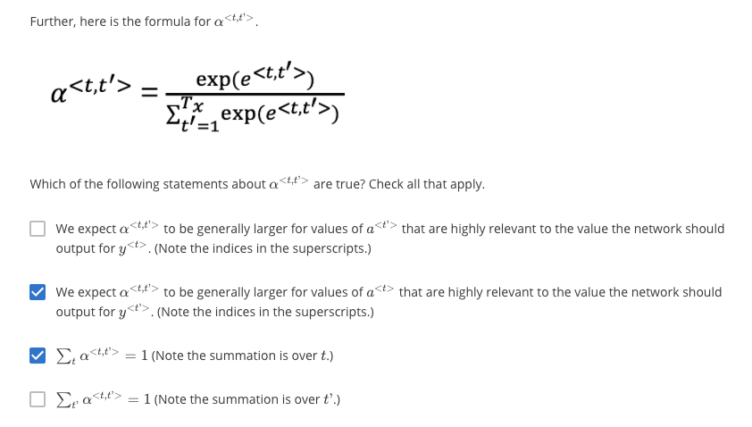

large

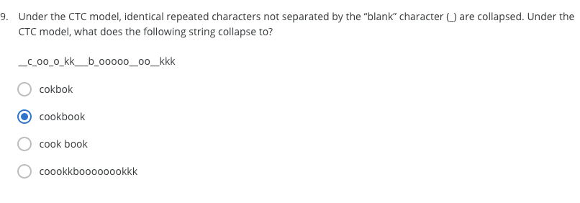

Try this

